Credit Car Repayment Estimator
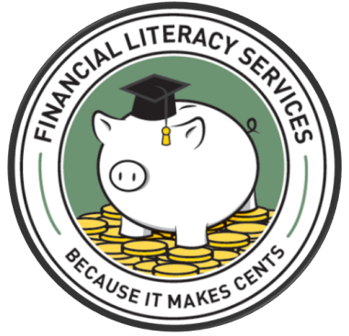
CREDIT CARD REPAYMENT ESTIMATOR

 | Pay only minimum payment
 | Credit Card Balance | $2,500.00 | SAVINGS | $188.45
 | Interest Rate | 7.00%
 | Minimum payment | $50.00
 | Months to pay off | 60 | Total Paid
 | ChartData
Minimum Payment | $3,000.00
Higher Payment | $2,811.55
 | or | 5 years, 0 months
 | Total Paid | $3,000.00

 | Pay more than minimum payment
 | Credit Card Balance | $2,500.00
 | Interest Rate | 7.00%
 | Minimum payment | $50.00
 | Additional amount paid | $20.00
 | Months to pay off | 40.2
 | or | 3 years, 5 months
 | Total Paid | $2,811.55

Instructions
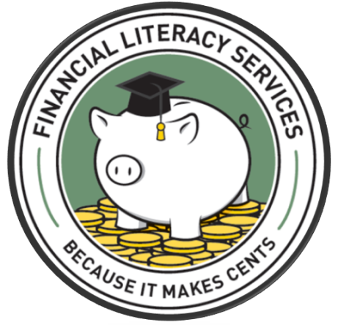
No matter how you finance your education, you must manage your money to maximize your situation and ultimately reach your goals. Take charge of your money and be informed!
Want to know how much money you could save by paying more than the minimum credit card payment? Check out our credit card repayment estimator. A small increase in a monthly payment may result in surprising savings!
Simply complete the first table with your total credit card balance, annual interest rate and minimum monthly payment. **Hint: Find this information on your recent billing statement. This table shows how long it takes to pay off your current balance as well as the total amount paid… without charging anything else on your credit card!
In the second table, decide on an additional amount you could pay each month. How much money could you save? How much more quickly is your balance paid?

